MENS
Sum of QTY | STYLE NUMBER | IMAGES | COLOR CODE | LABEL | LOCATION | SIZE DESCRIPTION | 7 | 7.5 | 8 | 8.5 | 9 | 9.5 | 10 | 10.5 | 11 | 11.5 | 12 | 13 | 14 | 15 | Grand Total
STYLE NAME |  |  |  |  |  | PREPACK
DESTRUCTOR LOGO LOW | CH80200M |  | MAK | PENIKAM | GWP | 1188 |  |  |  |  |  |  |  |  |  |  |  |  |  |  | 1188
DESTRUCTOR LOGO LOW | CH80200M | 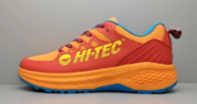 | RO | PENIKAM | GWP | 1200 |  |  |  |  |  |  |  |  |  |  |  |  |  |  | 1200
DESTRUCTOR LOGO LOW | CH80200M | 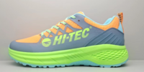 | VOK | PENIKAM | GWP | 1200 |  |  |  |  |  |  |  |  |  |  |  |  |  |  | 1200
DESTRUCTOR LOGO LOW Total |  |  |  |  |  | 3588 | 0 | 0 | 0 | 0 | 0 | 0 | 0 | 0 | 0 | 0 | 0 | 0 | 0 | 0 | 3588
DESTRUCTOR LOGO MID | CH80198M | 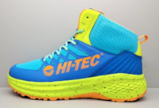 | MAY | PENIKAM | GWP | 1200 |  |  |  |  |  |  |  |  |  |  |  |  |  |  | 1200
DESTRUCTOR LOGO MID | CH80198M | 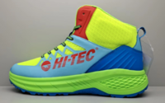 | AYM | PENIKAM | GWP | 1188 |  |  |  |  |  |  |  |  |  |  |  |  |  |  | 1188
DESTRUCTOR LOGO MID | CH80198M | 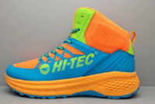 | OMK | PENIKAM | GWP | 1200 |  |  |  |  |  |  |  |  |  |  |  |  |  |  | 1200
DESTRUCTOR LOGO MID Total |  |  |  |  |  | 3588 | 0 | 0 | 0 | 0 | 0 | 0 | 0 | 0 | 0 | 0 | 0 | 0 | 0 | 0 | 3588
Excavator 6in Workboot Composite Toe | CH80060M | 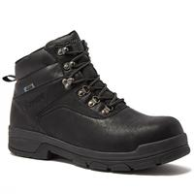 | B | GXY6 | GWP |  |  |  |  |  |  |  |  |  |  |  |  |  | 1 |  | 1
Excavator 6in Workboot Composite Toe | CH80060M | 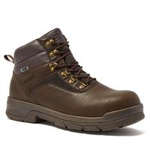 | E | GXY6 | GWP |  |  | 6 |  |  |  |  |  |  |  | 270 |  |  | 103 |  | 379
Excavator 6in Workboot Composite Toe Total |  |  |  |  |  | 0 | 0 | 6 | 0 | 0 | 0 | 0 | 0 | 0 | 0 | 270 | 0 | 0 | 104 | 0 | 380
GEO DYN TRAIL MID | CH80199M |  | AYK | PENIKAM | GWP | 1200 |  |  |  |  |  |  |  |  |  |  |  |  |  |  | 1200
GEO DYN TRAIL MID | CH80199M |  | MAK | PENIKAM | GWP | 1200 |  |  |  |  |  |  |  |  |  |  |  |  |  |  | 1200
GEO DYN TRAIL MID | CH80199M |  | OOA | PENIKAM | GWP | 1200 |  |  |  |  |  |  |  |  |  |  |  |  |  |  | 1200
GEO DYN TRAIL MID Total |  |  |  |  |  | 3600 | 0 | 0 | 0 | 0 | 0 | 0 | 0 | 0 | 0 | 0 | 0 | 0 | 0 | 0 | 3600
GEO DYNAMITE TRAIL | CH80201M |  | AYK | PENIKAM | GWP | 1200 |  |  |  |  |  |  |  |  |  |  |  |  |  |  | 1200
GEO DYNAMITE TRAIL | CH80201M |  | FO | PENIKAM | GWP | 1200 |  |  |  |  |  |  |  |  |  |  |  |  |  |  | 1200
GEO DYNAMITE TRAIL | CH80201M |  | RYM | PENIKAM | GWP | 1200 |  |  |  |  |  |  |  |  |  |  |  |  |  |  | 1200
GEO DYNAMITE TRAIL | CH80201M |  | RZ | PENIKAM | GWP | 1200 |  |  |  |  |  |  |  |  |  |  |  |  |  |  | 1200
GEO DYNAMITE TRAIL | CH80201M |  | YRX | PENIKAM | GWP | 1200 |  |  |  |  |  |  |  |  |  |  |  |  |  |  | 1200
GEO DYNAMITE TRAIL Total |  |  |  |  |  | 6000 | 0 | 0 | 0 | 0 | 0 | 0 | 0 | 0 | 0 | 0 | 0 | 0 | 0 | 0 | 6000
HT M RAVUS MID | CH80008M |  | MBG | (blank) | GWT |  | 24 | 48 | 60 | 60 | 60 | 60 | 24 | 24 | 12 |  |  |  |  |  | 372
HT M RAVUS MID | CH80008M | 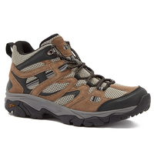 | T | BCF | GWP | 720 |  |  |  |  |  |  |  |  |  |  |  |  |  |  | 720
HT M RAVUS MID | CH80008M |  | T | GXY6 | GWP |  |  |  | 2 | 2 | 2 | 3 |  |  |  |  |  |  |  |  | 9
HT M RAVUS MID | CH80008M |  | T | (blank) | GWP |  |  |  | 4 | 8 | 24 | 24 | 24 | 24 | 24 |  | 20 | 12 |  |  | 164
HT M RAVUS MID | CH80008M | 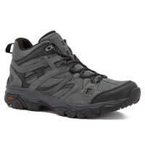 | V | GXY6 | GWP |  |  |  |  |  |  | 18 |  |  |  |  |  |  |  |  | 18
HT M RAVUS MID | CH80008M |  | V | (blank) | GWP |  |  |  | 12 |  | 6 |  |  |  |  |  |  |  |  |  | 18
HT M RAVUS MID | CH80008M |  | V |  |  | 1056 |  |  |  |  |  |  |  |  |  |  |  |  |  |  | 1056
HT M RAVUS MID Total |  |  |  |  |  | 1776 | 24 | 48 | 78 | 70 | 92 | 105 | 48 | 48 | 36 | 0 | 20 | 12 | 0 | 0 | 2357
M APEX LITE LOW WP | CH80047M |  | NY | (blank) | GWP |  | 137 | 138 | 205 | 39 | 49 | 254 | 371 | 278 | 255 | 281 | 404 | 333 | 300 |  | 3044
M APEX LITE LOW WP | CH80047M | 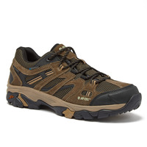 | T | (blank) | GWP |  |  |  | 24 | 36 | 36 | 48 | 60 | 60 | 60 |  | 72 | 60 |  |  | 456
M APEX LITE LOW WP | CH80047M |  | TO | (blank) | GWP |  | 128 | 130 | 167 | 80 | 403 | 250 | 379 | 251 | 273 | 315 | 345 | 267 | 256 |  | 3244
M APEX LITE LOW WP Total |  |  |  |  |  | 0 | 265 | 268 | 396 | 155 | 488 | 552 | 810 | 589 | 588 | 596 | 821 | 660 | 556 | 0 | 6744
M APEX LITE MID WP | CH80089M | 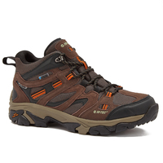 | J | (blank) | GWP | 12 |  |  |  |  |  |  |  |  |  |  |  |  |  |  | 12
M APEX LITE MID WP Total |  |  |  |  |  | 12 | 0 | 0 | 0 | 0 | 0 | 0 | 0 | 0 | 0 | 0 | 0 | 0 | 0 | 0 | 12
M BLACK ROCK MID WP | CH80050M | 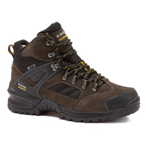 | V | (blank) | GWP |  |  |  | 3 | 2 |  | 1 | 23 | 5 | 5 |  |  | 26 |  |  | 65
M BLACK ROCK MID WP Total |  |  |  |  |  | 0 | 0 | 0 | 3 | 2 | 0 | 1 | 23 | 5 | 5 | 0 | 0 | 26 | 0 | 0 | 65
M DEMOLISHER MID | CH80046M | 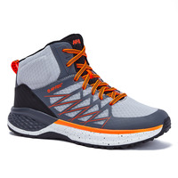 | VSO | (blank) | GWT |  |  | 48 |  |  |  |  |  |  |  |  |  |  |  |  | 48
M DEMOLISHER MID Total |  |  |  |  |  | 0 | 0 | 48 | 0 | 0 | 0 | 0 | 0 | 0 | 0 | 0 | 0 | 0 | 0 | 0 | 48
M GEO SAND TRAIL MID | CH80154M | 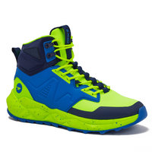 | DMY | PENIKAM | GWP | 1200 |  |  |  |  |  |  |  |  |  |  |  |  |  |  | 1200
M GEO SAND TRAIL MID | CH80154M | 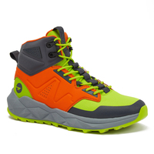 | OKB | LM | GWP | 600 |  |  |  |  |  |  |  |  |  |  |  |  |  |  | 600
M GEO SAND TRAIL MID | CH80154M | 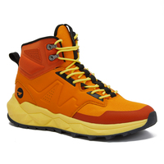 | OOY | LM | GWP | 600 |  |  |  |  |  |  |  |  |  |  |  |  |  |  | 600
M GEO SAND TRAIL MID | CH80154M | 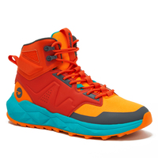 | ROF | PENIKAM | GWP | 1200 |  |  |  |  |  |  |  |  |  |  |  |  |  |  | 1200
M GEO SAND TRAIL MID | CH80154M | 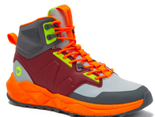 | RVO | PENIKAM | GWP | 1200 |  |  |  |  |  |  |  |  |  |  |  |  |  |  | 1200
M GEO SAND TRAIL MID Total |  |  |  |  |  | 4800 | 0 | 0 | 0 | 0 | 0 | 0 | 0 | 0 | 0 | 0 | 0 | 0 | 0 | 0 | 4800
M GLADE MID WP | CH80152M | 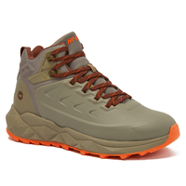 | T | LM | GWP | 600 |  |  |  |  |  |  |  |  |  |  |  |  |  |  | 600
M GLADE MID WP | CH80152M | 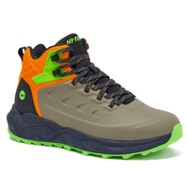 | TTZ | LM | GWP | 600 |  |  |  |  |  |  |  |  |  |  |  |  |  |  | 600
M GLADE MID WP Total |  |  |  |  |  | 1200 | 0 | 0 | 0 | 0 | 0 | 0 | 0 | 0 | 0 | 0 | 0 | 0 | 0 | 0 | 1200
M YOSEMITE MID WP | CH80048M | 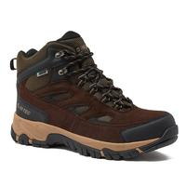 | E | GXY6 | GWP |  | 6 | 6 | 6 | 6 | 6 | 6 | 6 |  | 6 | 6 | 6 |  | 6 |  | 66
M YOSEMITE MID WP | CH80048M | 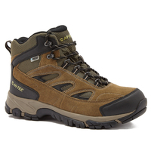 | G | GXY6 | GWP |  | 3 |  | 1 | 12 |  | 18 |  | 36 | 8 |  | 13 | 16 | 12 |  | 119
M YOSEMITE MID WP | CH80048M |  | G | (blank) | GWT | 24 |  |  |  |  |  |  |  |  |  |  |  |  |  |  | 24
M YOSEMITE MID WP | CH80048M | 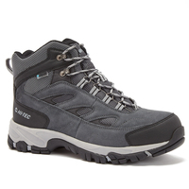 | VB | GXY6 | GWP |  |  |  |  |  |  |  |  |  |  | 7 |  |  |  |  | 7
M YOSEMITE MID WP Total |  |  |  |  |  | 24 | 9 | 6 | 7 | 18 | 6 | 24 | 6 | 36 | 14 | 13 | 19 | 16 | 18 | 0 | 216
Ravus Low Hiker WP | CH80010M |  | B | GXY6 | GWP |  |  | 9 |  |  |  |  |  |  |  |  |  |  | 32 | 40 | 81
Ravus Low Hiker WP | CH80010M | 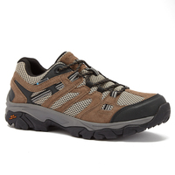 | T | GXY6 | GWP |  |  |  |  |  |  |  |  |  |  |  |  |  | 6 |  | 6
Ravus Low Hiker WP | CH80010M |  | T |  |  |  | 16 | 21 |  | 29 | 33 | 26 | 21 | 13 | 12 | 33 | 1 |  | 11 | 19 | 235
Ravus Low Hiker WP | CH80010M | 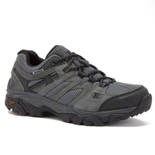 | V | GXY6 | GWP |  |  | 1 |  |  |  |  |  | 1 | 2 |  |  |  |  |  | 4
Ravus Low Hiker WP | CH80010M |  | V |  |  |  |  |  | 6 | 6 | 6 |  | 6 | 1 |  |  | 7 |  | 6 |  | 38
Ravus Low Hiker WP Total |  |  |  |  |  | 0 | 16 | 31 | 6 | 35 | 39 | 26 | 27 | 15 | 14 | 33 | 8 | 0 | 55 | 59 | 364
Ravus Mid Hiker Waterproof | CH80007M | 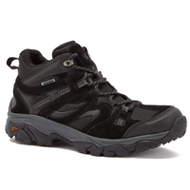 | B | GXY6 | GWP |  |  |  |  |  |  |  |  |  |  |  |  |  |  | 6 | 6
Ravus Mid Hiker Waterproof | CH80007M | 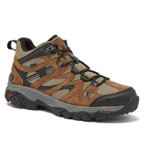 | T | GXY6 | GWP |  |  |  |  |  |  |  |  | 1 |  |  |  |  |  |  | 1
Ravus Mid Hiker Waterproof | CH80007M | 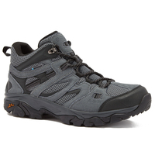 | V | GXY6 | GWP |  | 18 |  | 16 | 13 | 323 | 86 | 107 | 168 | 142 | 16 | 206 |  | 43 | 102 | 1240
Ravus Mid Hiker Waterproof | CH80007M |  | V |  |  |  | 144 | 1 | 6 |  |  |  |  |  |  |  |  | 4 | 132 | 228 | 515
Ravus Mid Hiker Waterproof Total |  |  |  |  |  | 0 | 162 | 1 | 22 | 13 | 323 | 86 | 107 | 169 | 142 | 16 | 206 | 4 | 175 | 336 | 1762
Trencher 6in Workboot Soft Toe | CH80061M | 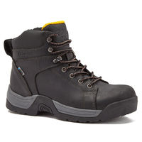 | B | GXY6 | GWP |  |  |  |  |  |  |  |  |  |  | 5 |  |  |  |  | 5
Trencher 6in Workboot Soft Toe | CH80061M | 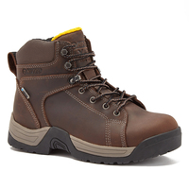 | E | GXY6 | GWP |  |  |  |  |  |  |  |  | 12 |  |  |  |  | 2 |  | 14
Trencher 6in Workboot Soft Toe Total |  |  |  |  |  | 0 | 0 | 0 | 0 | 0 | 0 | 0 | 0 | 12 | 0 | 5 | 0 | 0 | 2 | 0 | 19
ZION CANYON MID | CH80202M | 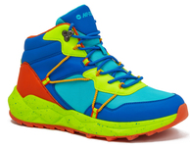 | AMY | PENIKAM | GWP | 1200 |  |  |  |  |  |  |  |  |  |  |  |  |  |  | 1200
ZION CANYON MID Total |  |  |  |  |  | 1200 | 0 | 0 | 0 | 0 | 0 | 0 | 0 | 0 | 0 | 0 | 0 | 0 | 0 | 0 | 1200
Grand Total |  |  |  |  |  | 25788 | 476 | 408 | 512 | 293 | 948 | 794 | 1021 | 874 | 799 | 933 | 1074 | 718 | 910 | 395 | 35943

WOMENS
Sum of QTY | STYLE NUMBER | IMAGES | COLOR CODE | SIZE DESCRIPTION | 6 | 6.5 | 7 | 7.5 | 8 | 8.5 | 9 | 9.5 | 10 | 11 | 12 | Grand Total
STYLE NAME |  |  |  | PPK
Apex Lite Low WP (Big 5) | CH80047W |  | LNL |  | 6 | 93 | 178 | 197 | 229 | 146 | 168 | 167 | 145 | 98 |  | 1427
Apex Lite Low WP (Big 5) | CH80047W |  | TI |  |  |  | 12 |  |  |  |  |  |  |  |  | 12
Apex Lite Low WP (Big 5) | CH80047W |  | VP |  |  | 78 | 108 |  |  | 96 | 180 |  |  |  |  | 462
Apex Lite Low WP (Big 5) | CH80047W |  | VP |  |  |  | 12 |  |  | 108 |  |  |  |  |  | 120
Apex Lite Low WP (Big 5) | CH80047W |  | VP |  |  |  |  | 150 | 180 |  |  | 30 | 60 |  |  | 420
Apex Lite Low WP (Big 5) | CH80047W |  | VP |  | 17 | 69 | 69 | 69 | 111 | 108 | 93 | 98 | 93 | 42 |  | 769
Apex Lite Low WP (Big 5) Total |  |  |  | 0 | 23 | 240 | 379 | 416 | 520 | 458 | 441 | 295 | 298 | 140 | 0 | 3210
HT W RAVUS MID | CH80008W | 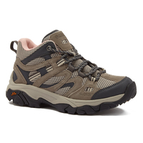 | QNT |  |  |  |  |  |  |  |  | 4 | 12 | 28 |  | 44
HT W RAVUS MID | CH80008W |  | QNT | 48 |  |  |  |  |  |  |  |  |  |  |  | 48
HT W RAVUS MID Total |  |  |  | 48 | 0 | 0 | 0 | 0 | 0 | 0 | 0 | 4 | 12 | 28 | 0 | 92
Trail Destroyer Low JR | CH80012W |  | B |  |  | 7 | 1 | 6 |  | 17 | 8 | 11 | 1 | 4 |  | 55
Trail Destroyer Low JR | CH80012W |  | BNQ |  |  |  |  | 1 | 3 | 5 | 16 | 11 | 8 |  |  | 44
Trail Destroyer Low JR | CH80012W |  | D |  |  |  |  | 9 | 12 |  | 13 | 9 | 12 |  |  | 55
Trail Destroyer Low JR Total |  |  |  | 0 | 0 | 7 | 1 | 16 | 15 | 22 | 37 | 31 | 21 | 4 | 0 | 154
W APEX LITE MID WP | CH80089W | 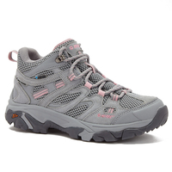 | NQ |  | 24 | 1 | 20 |  | 22 |  | 24 |  | 22 |  |  | 113
W APEX LITE MID WP | CH80089W |  | NQ |  | 30 | 98 | 117 | 140 | 182 | 218 | 196 | 140 | 168 | 143 | 72 | 1504
W APEX LITE MID WP | CH80089W |  | NQ | 4 |  |  |  |  |  |  |  |  |  |  |  | 4
W APEX LITE MID WP | CH80089W | 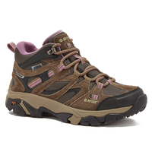 | T |  | 23 |  | 21 | 1 | 18 |  | 19 |  | 19 |  |  | 101
W APEX LITE MID WP | CH80089W |  | T |  |  |  |  |  |  |  |  |  |  | 70 | 72 | 142
W APEX LITE MID WP | CH80089W |  | T | 6 |  |  |  |  |  |  |  |  |  |  |  | 6
W APEX LITE MID WP | CH80089W |  | T | 96 |  |  |  |  |  |  |  |  |  |  |  | 96
W APEX LITE MID WP Total |  |  |  | 106 | 77 | 99 | 158 | 141 | 222 | 218 | 239 | 140 | 209 | 213 | 144 | 1966
Grand Total |  |  |  | 154 | 100 | 346 | 538 | 573 | 757 | 698 | 717 | 470 | 540 | 385 | 144 | 5422

CHILDRENS
Sum of QTY | STYLE NUMBER | IMAGES | COLOR CODE | LABEL | LOCATION | PROD NUM | DIMENSION | DIMENSION DESCRIPTION | SIZE DESCRIPTION | Grand Total
STYLE NAME |  |  |  |  |  |  |  |  | PPK
DEST LOGO LOW YTH | CH80200Y |  | YUU | PENIKAM | GWP | 0 | Y1210 | M 5*1 5H*1 6*2 6H*2 7*6 | 1200 | 1200
DEST LOGO LOW YTH Total |  |  |  |  |  |  |  |  | 1200 | 1200
GEO SAND TRAIL MID | CH80154Y | 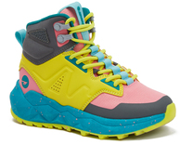 | YQ | PENIKAM | GWP | 0 | Y1210 | M 5*1 5H*1 6*2 6H*2 7*6 | 1200 | 1200
GEO SAND TRAIL MID Total |  |  |  |  |  |  |  |  | 1200 | 1200
YTH DESTRUCTOR LOGO | CH80198Y | 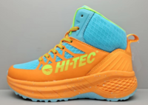 | OA | PENIKAM | GWP | 0 | Y1210 | M 5*1 5H*1 6*2 6H*2 7*6 | 1200 | 1200
YTH DESTRUCTOR LOGO Total |  |  |  |  |  |  |  |  | 1200 | 1200
ZION CANYON MID YTH | CH80202Y | 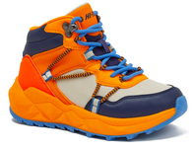 | OM | PENIKAM | GWP | 0 | Y1210 | M 5*1 5H*1 6*2 6H*2 7*6 | 1200 | 1200
ZION CANYON MID YTH Total |  |  |  |  |  |  |  |  | 1200 | 1200
Grand Total |  |  |  |  |  |  |  |  | 4800 | 4800

